Page 1
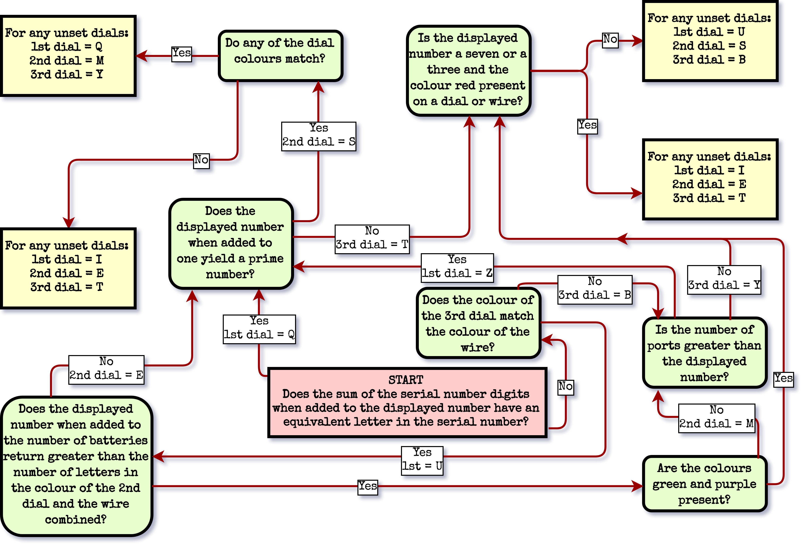
Use the flow chart to set your three dials to the correct positions.
Once the dial has been set, disregard any subsequent instructions.

Page 2
On the Subject of The Wire
Push the initiate button to expose the dials and wire and to start the countdown.
Once the countdown expires, the dials and wire will retract. The colours will reset upon re-initiation.
Use the flow chart to set the three dials to the correct positions.
Once a dial has been set, disregard any subsequent instructions.
Use the Venn diagram to determine at which point the wire must be cut.
Cutting the wire at the wrong time or with the dials set incorrectly will result in a strike.
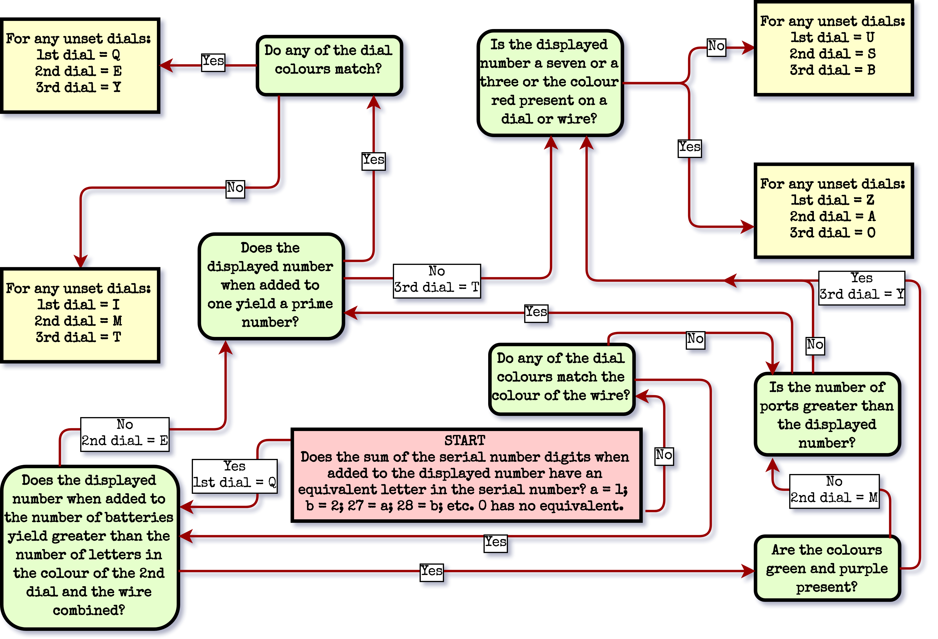

Variables you may encounter:
A | Displayed number | F | Unlit indicators
B | Number of times start button pressed | G | Serial + parallel + RJ-45 + DVI ports
C | Indicators x2 | H | Number of modules on bomb
D | Port plates x 4 | I | Displayed number x 6
E | Displayed number % 3 | J | Lit indicators
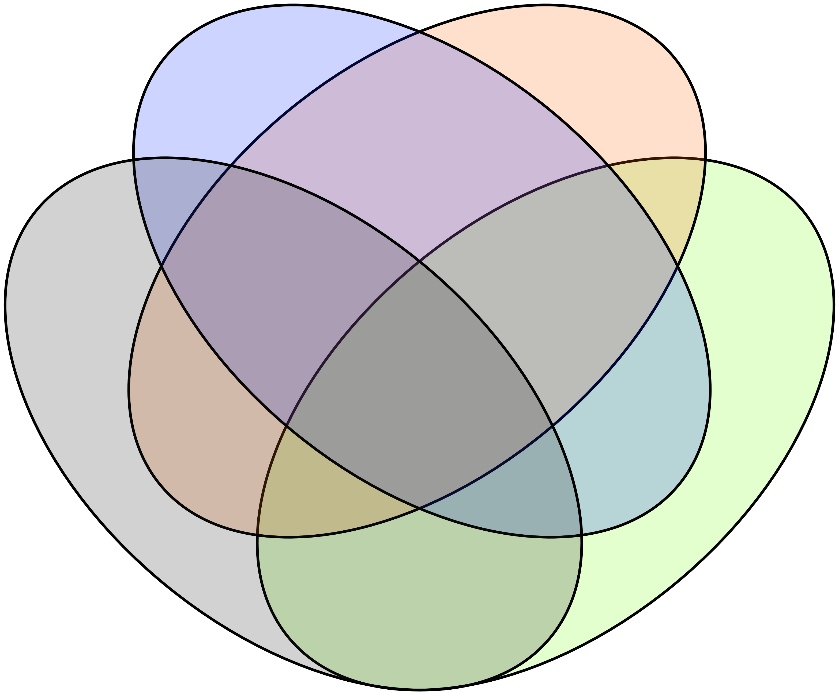
Dial 1 is blue, green or red
Dial 2 is orange, grey or blue
Wire is green, grey or purple
Dial 3 is purple, red or orange
I
II
III
IV
V
VI
VII
VIII
IX
X
XI
XII
XV
XIII
XIV
XVI

Cut the wire when the last digit of the bomb timer is…
i | Last digit of G + A | ix | ACF % 8
ii | (J + E + F) % 10 | x | First digit of 3H + G
iii | ((I + D + H) % 7) + 2 | xi | (I + D - E) % 10
iv | (B + C) % 6 | xii | 4J % 5
v | (JA + C) % 9 | xiii | ((D % 7) + (I % 4)) % 10
vi | First digit of FI + H | xiv | Last digit of CG
vii | (GB + B) % (E + 4) | xv | (J(F + H)) % 9
viii | Last digit of D | xvi | ((E + A) x B) % 8

